Detailed Investigation Result
Detailed Investigation Result

 | SOURCE_CODE | ORGANIZATION_CODE | ORGANIZATION_ID | ASSEMBLY_CODE | ASSEMBLY_ID | CLASS_CODE | JOB_NAME | QUANTITY | COMPLETION_DATE | ALTERNATE_ROUTING_DESIGNATOR | ALTERNATE_BOM_DESIGNATOR | ATTRIBUTE1 | ATTRIBUTE2 | ATTRIBUTE3 | ATTRIBUTE4 | ATTRIBUTE5 | ATTRIBUTE6 | ATTRIBUTE7 | ATTRIBUTE8 | ATTRIBUTE9 | ATTRIBUTE10 | CREATION_DATE | UPDATE_DATE | PROCESS_FLAG | ERROR_MESSAGE
 | SOURCE_CODE | ORGANIZATION_CODE | ORGANIZATION_ID | ASSEMBLY_CODE | ASSEMBLY_ID | CLASS_CODE | JOB_NAME | QUANTITY | COMPLETION_DATE | ALTERNATE_ROUTING_DESIGNATOR | ALTERNATE_BOM_DESIGNATOR | ATTRIBUTE1 | ATTRIBUTE2 | ATTRIBUTE3 | ATTRIBUTE4 | ATTRIBUTE5 | ATTRIBUTE6 | ATTRIBUTE7 | ATTRIBUTE8 | ATTRIBUTE9 | ATTRIBUTE10 | CREATION_DATE | UPDATE_DATE | PROCESS_FLAG | ERROR_MESSAGE
 | TIPWIPS020 | ESD | 125 | SDFBC05JAA01TA0T | 2343147 | Standard | ESD00267051 | 30 | 1/22/20 | MPL | MPL | ESDLINE |  |  |  |  |  |  |  |  |  | 1/22/20 | 1/22/20 | 9 | No operation sequence found for (ESD00267051).
 | TIPWIPS020 | ESD | 125 | SDFBE06CAA01TD0T | 2690846 | Standard | ESD00267052 | 120 | 1/22/20 | MPL | MPL | ESDLINE |  |  |  |  |  |  |  |  |  | 1/22/20 | 1/22/20 | 9 | No operation sequence found for (ESD00267052).
 | TIPWIPS020 | ESD | 125 | SDFBE05CEA01TA0T | 2612615 | Standard | ESD00267053 | 90 | 1/22/20 | MPL | MPL | ESDLINE |  |  |  |  |  |  |  |  |  | 1/22/20 | 1/22/20 | 9 | No operation sequence found for (ESD00267053).
 | TIPWIPS020 | ESD | 125 | SDFBC87EYB01TF0T | 2370304 | Standard | ESD00267054 | 180 | 1/22/20 | MPL | MPL | ESDLINE |  |  |  |  |  |  |  |  |  | 1/22/20 | 1/22/20 | 9 | No operation sequence found for (ESD00267054).
 | TIPWIPS020 | ESD | 125 | SDFBE74NHB01T50T | 2346156 | Standard | ESD00267055 | 90 | 1/22/20 | MPL | MPL | ESDLINE |  |  |  |  |  |  |  |  |  | 1/22/20 | 1/22/20 | 9 | No operation sequence found for (ESD00267055).

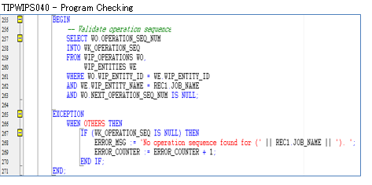

 | SELECT WO.*
 | FROM WIP_OPERATIONS WO,
 | WIP_ENTITIES WE
 | WHERE WO.WIP_ENTITY_ID = WE.WIP_ENTITY_ID
 | AND WE.WIP_ENTITY_NAME IN (SELECT job_name
 | FROM TIP_SSDMO_INTERFACE
 | WHERE process_flag = '9')
 | AND WO.NEXT_OPERATION_SEQ_NUM IS NULL;

 | WIP_OPERATIONS

 | WIP_ENTITY_ID | OPERATION_SEQ_NUM | ORGANIZATION_ID | REPETITIVE_SCHEDULE_ID | LAST_UPDATE_DATE | LAST_UPDATED_BY | CREATION_DATE | CREATED_BY | LAST_UPDATE_LOGIN | REQUEST_ID | PROGRAM_APPLICATION_ID | PROGRAM_ID | PROGRAM_UPDATE_DATE | OPERATION_SEQUENCE_ID | STANDARD_OPERATION_ID | DEPARTMENT_ID | DESCRIPTION | SCHEDULED_QUANTITY | QUANTITY_IN_QUEUE | QUANTITY_RUNNING | QUANTITY_WAITING_TO_MOVE | QUANTITY_REJECTED | QUANTITY_SCRAPPED | QUANTITY_COMPLETED | FIRST_UNIT_START_DATE | FIRST_UNIT_COMPLETION_DATE | LAST_UNIT_START_DATE | LAST_UNIT_COMPLETION_DATE | PREVIOUS_OPERATION_SEQ_NUM | NEXT_OPERATION_SEQ_NUM | COUNT_POINT_TYPE | BACKFLUSH_FLAG | MINIMUM_TRANSFER_QUANTITY | DATE_LAST_MOVED | ATTRIBUTE_CATEGORY | ATTRIBUTE1 | ATTRIBUTE2 | ATTRIBUTE3 | ATTRIBUTE4 | ATTRIBUTE5 | ATTRIBUTE6 | ATTRIBUTE7 | ATTRIBUTE8 | ATTRIBUTE9 | ATTRIBUTE10 | ATTRIBUTE11 | ATTRIBUTE12 | ATTRIBUTE13 | ATTRIBUTE14 | ATTRIBUTE15 | WF_ITEMTYPE | WF_ITEMKEY | OPERATION_YIELD | OPERATION_YIELD_ENABLED | PRE_SPLIT_QUANTITY | OPERATION_COMPLETED | SHUTDOWN_TYPE | X_POS | Y_POS | PREVIOUS_OPERATION_SEQ_ID | SKIP_FLAG | LONG_DESCRIPTION | CUMULATIVE_SCRAP_QUANTITY | DISABLE_DATE | RECOMMENDED | PROGRESS_PERCENTAGE | WSM_OP_SEQ_NUM | WSM_BONUS_QUANTITY | EMPLOYEE_ID | ACTUAL_START_DATE | ACTUAL_COMPLETION_DATE | PROJECTED_COMPLETION_DATE | WSM_UPDATE_QUANTITY_TXN_ID | WSM_COSTED_QUANTITY_COMPLETED | LOWEST_ACCEPTABLE_YIELD | CHECK_SKILL
 | 10327829 | 10 | 125 |  | 1/22/20 | 4862 | 1/22/20 | 4862 | 36986512 | 36028210 | 706 | 35740 | 1/22/20 | 1852685 |  | 3 |  | 30 | 30 | 0 | 0 | 0 | 0 | 0 | 1/22/20 | 1/22/20 | 1/22/20 | 1/22/20 |  |  | 1 | 1 | 0 |  |  |  |  |  |  |  |  |  |  |  |  |  |  |  |  |  |  |  |  |  |  |  |  |  |  |  |  |  | 0 |  |  |  |  |  |  |  |  |  |  |  |  | 2
 | 10327830 | 10 | 125 |  | 1/22/20 | 4862 | 1/22/20 | 4862 | 36986512 | 36028210 | 706 | 35740 | 1/22/20 | 2125273 |  | 3 |  | 120 | 120 | 0 | 0 | 0 | 0 | 0 | 1/22/20 | 1/22/20 | 1/22/20 | 1/22/20 |  |  | 1 | 1 | 0 |  |  |  |  |  |  |  |  |  |  |  |  |  |  |  |  |  |  |  |  |  |  |  |  |  |  |  |  |  | 0 |  |  |  |  |  |  |  |  |  |  |  |  | 2
 | 10327831 | 10 | 125 |  | 1/22/20 | 4862 | 1/22/20 | 4862 | 36986512 | 36028210 | 706 | 35740 | 1/22/20 | 2068374 |  | 3 |  | 90 | 90 | 0 | 0 | 0 | 0 | 0 | 1/22/20 | 1/22/20 | 1/22/20 | 1/22/20 |  |  | 1 | 1 | 0 |  |  |  |  |  |  |  |  |  |  |  |  |  |  |  |  |  |  |  |  |  |  |  |  |  |  |  |  |  | 0 |  |  |  |  |  |  |  |  |  |  |  |  | 2
 | 10327827 | 10 | 125 |  | 1/22/20 | 4862 | 1/22/20 | 4862 | 36986512 | 36028210 | 706 | 35740 | 1/22/20 | 1867013 |  | 3 |  | 180 | 180 | 0 | 0 | 0 | 0 | 0 | 1/22/20 | 1/22/20 | 1/22/20 | 1/22/20 |  |  | 1 | 1 | 0 |  |  |  |  |  |  |  |  |  |  |  |  |  |  |  |  |  |  |  |  |  |  |  |  |  |  |  |  |  | 0 |  |  |  |  |  |  |  |  |  |  |  |  | 2
 | 10327828 | 10 | 125 |  | 1/22/20 | 4862 | 1/22/20 | 4862 | 36986512 | 36028210 | 706 | 35740 | 1/22/20 | 1854703 |  | 3 |  | 90 | 90 | 0 | 0 | 0 | 0 | 0 | 1/22/20 | 1/22/20 | 1/22/20 | 1/22/20 |  |  | 1 | 1 | 0 |  |  |  |  |  |  |  |  |  |  |  |  |  |  |  |  |  |  |  |  |  |  |  |  |  |  |  |  |  | 0 |  |  |  |  |  |  |  |  |  |  |  |  | 2

 | SELECT WE.*
 | FROM WIP_OPERATIONS WO,
 | WIP_ENTITIES WE
 | WHERE WO.WIP_ENTITY_ID = WE.WIP_ENTITY_ID
 | AND WE.WIP_ENTITY_NAME IN (SELECT job_name
 | FROM TIP_SSDMO_INTERFACE
 | WHERE process_flag = '9')
 | AND WO.NEXT_OPERATION_SEQ_NUM IS NULL;

 | WIP_ENTITIES

 | WIP_ENTITY_ID | ORGANIZATION_ID | LAST_UPDATE_DATE | LAST_UPDATED_BY | CREATION_DATE | CREATED_BY | LAST_UPDATE_LOGIN | REQUEST_ID | PROGRAM_APPLICATION_ID | PROGRAM_ID | PROGRAM_UPDATE_DATE | WIP_ENTITY_NAME | ENTITY_TYPE | DESCRIPTION | PRIMARY_ITEM_ID | GEN_OBJECT_ID
 | 10327829 | 125 | 1/22/20 | 4862 | 1/22/20 | 4862 |  | 36028210 | 706 | 35740 | 1/22/20 | ESD00267051 | 1 | Job Mass Loaded on 22-JAN-2020 09:46:14 (server timezone) | 2343147 | 13093040
 | 10327830 | 125 | 1/22/20 | 4862 | 1/22/20 | 4862 |  | 36028210 | 706 | 35740 | 1/22/20 | ESD00267052 | 1 | Job Mass Loaded on 22-JAN-2020 09:46:14 (server timezone) | 2690846 | 13093041
 | 10327831 | 125 | 1/22/20 | 4862 | 1/22/20 | 4862 |  | 36028210 | 706 | 35740 | 1/22/20 | ESD00267053 | 1 | Job Mass Loaded on 22-JAN-2020 09:46:14 (server timezone) | 2612615 | 13093042
 | 10327827 | 125 | 1/22/20 | 4862 | 1/22/20 | 4862 |  | 36028210 | 706 | 35740 | 1/22/20 | ESD00267054 | 1 | Job Mass Loaded on 22-JAN-2020 09:46:14 (server timezone) | 2370304 | 13093038
 | 10327828 | 125 | 1/22/20 | 4862 | 1/22/20 | 4862 |  | 36028210 | 706 | 35740 | 1/22/20 | ESD00267055 | 1 | Job Mass Loaded on 22-JAN-2020 09:46:14 (server timezone) | 2346156 | 13093039

Actual Operation Evidence
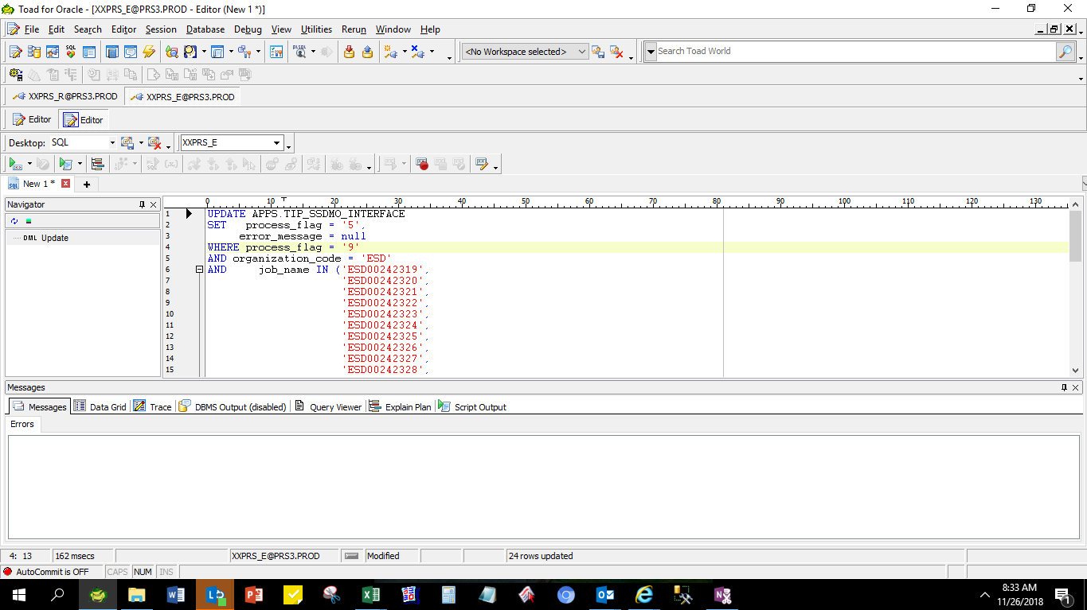
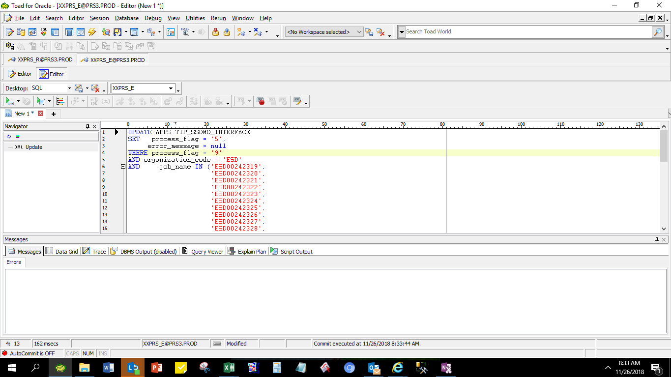
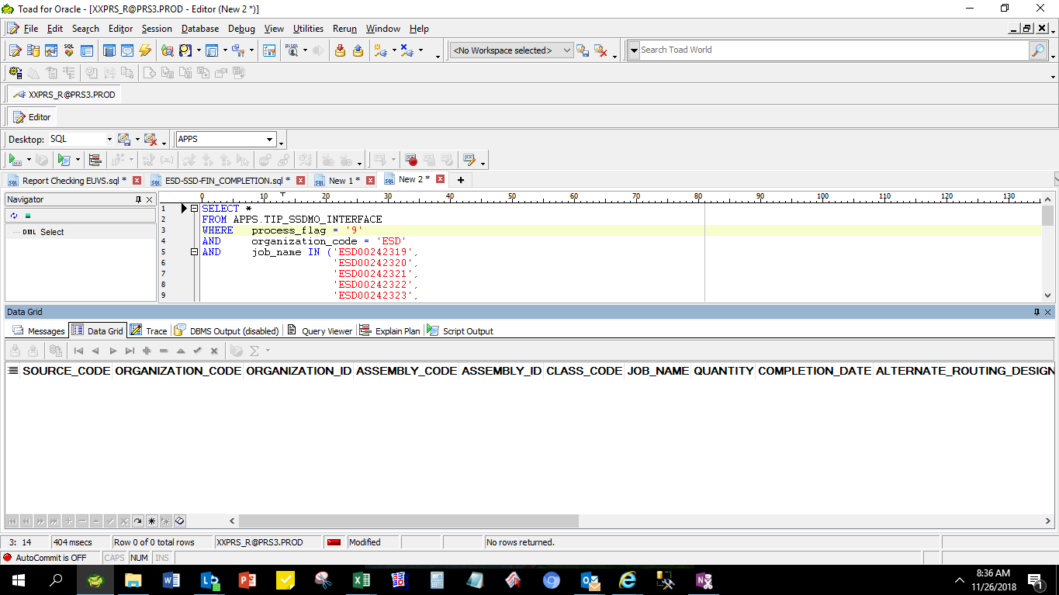
Actual Operation Evidence

 | SELECT *
 | FROM APPS.TIP_SSDMO_INTERFACE
 | WHERE process_flag = '9'
 | AND organization_code = 'ESD'
 | AND job_name IN ('ESD00242319',
 | 'ESD00242320',
 | 'ESD00242321',
 | 'ESD00242322',
 | 'ESD00242323',
 | 'ESD00242324',
 | 'ESD00242325',
 | 'ESD00242326',
 | 'ESD00242327',
 | 'ESD00242328',
 | 'ESD00242329',
 | 'ESD00242330',
 | 'ESD00242331',
 | 'ESD00242332',
 | 'ESD00242333',
 | 'ESD00242334',
 | 'ESD00242335',
 | 'ESD00242336',
 | 'ESD00242337',
 | 'ESD00242338',
 | 'ESD00242339',
 | 'ESD00242340',
 | 'ESD00242341',
 | 'ESD00242342'
 | );

 | SOURCE_CODE | ORGANIZATION_CODE | ORGANIZATION_ID | ASSEMBLY_CODE | ASSEMBLY_ID | CLASS_CODE | JOB_NAME | QUANTITY | COMPLETION_DATE | ALTERNATE_ROUTING_DESIGNATOR | ALTERNATE_BOM_DESIGNATOR | ATTRIBUTE1 | ATTRIBUTE2 | ATTRIBUTE3 | ATTRIBUTE4 | ATTRIBUTE5 | ATTRIBUTE6 | ATTRIBUTE7 | ATTRIBUTE8 | ATTRIBUTE9 | ATTRIBUTE10 | CREATION_DATE | UPDATE_DATE | PROCESS_FLAG | ERROR_MESSAGE
 | TIPWIPS020 | ESD | 125 | SDFGD84DAB01T70T | 2857307 | Standard | ESD00242319 | 25 | 11/24/2018 4:45:56 AM | MPL | MPL | ESDLINE |  |  |  |  |  |  |  |  |  | 11/24/2018 4:45:56 AM | 11/24/2018 4:46:20 AM | 9 | No operation sequence found for (ESD00242319).
 | TIPWIPS020 | ESD | 125 | SDFBC07GEA01TF0T | 2270146 | Standard | ESD00242320 | 20 | 11/24/2018 4:45:56 AM | MPL | MPL | ESDLINE |  |  |  |  |  |  |  |  |  | 11/24/2018 4:45:56 AM | 11/24/2018 4:46:20 AM | 9 | No operation sequence found for (ESD00242320).
 | TIPWIPS020 | ESD | 125 | SDFME04GEA01T50T | 2268111 | Standard | ESD00242321 | 10 | 11/24/2018 4:45:56 AM | MPL | MPL | ESDLINE |  |  |  |  |  |  |  |  |  | 11/24/2018 4:45:56 AM | 11/24/2018 4:46:20 AM | 9 | No operation sequence found for (ESD00242321).
 | TIPWIPS020 | ESD | 125 | SDFAX00MBA01T10T | 2122291 | Standard | ESD00242322 | 30 | 11/24/2018 4:45:56 AM | MPL | MPL | ESDLINE |  |  |  |  |  |  |  |  |  | 11/24/2018 4:45:56 AM | 11/24/2018 4:46:20 AM | 9 | No operation sequence found for (ESD00242322).
 | TIPWIPS020 | ESD | 125 | SDFA583DAB01T40T | 1981014 | Standard | ESD00242323 | 180 | 11/24/2018 4:45:56 AM | MPL | MPL | ESDLINE |  |  |  |  |  |  |  |  |  | 11/24/2018 4:45:56 AM | 11/24/2018 4:46:20 AM | 9 | No operation sequence found for (ESD00242323).
 | TIPWIPS020 | ESD | 125 | SDFAM81DAB01T20T | 1981008 | Standard | ESD00242324 | 30 | 11/24/2018 4:45:56 AM | MPL | MPL | ESDLINE |  |  |  |  |  |  |  |  |  | 11/24/2018 4:45:56 AM | 11/24/2018 4:46:20 AM | 9 | No operation sequence found for (ESD00242324).
 | TIPWIPS020 | ESD | 125 | SDFBE04HCA01T50T | 2322150 | Standard | ESD00242325 | 90 | 11/24/2018 4:45:57 AM | MPL | MPL | ESDLINE |  |  |  |  |  |  |  |  |  | 11/24/2018 4:45:57 AM | 11/24/2018 4:46:20 AM | 9 | No operation sequence found for (ESD00242325).
 | TIPWIPS020 | ESD | 125 | SDFGD86DAB01TK0T | 2857309 | Standard | ESD00242326 | 45 | 11/24/2018 4:45:57 AM | MPL | MPL | ESDLINE |  |  |  |  |  |  |  |  |  | 11/24/2018 4:45:57 AM | 11/24/2018 4:46:20 AM | 9 | No operation sequence found for (ESD00242326).
 | TIPWIPS020 | ESD | 125 | SDFBE07GEA01TF0T | 2270105 | Standard | ESD00242327 | 20 | 11/24/2018 4:45:57 AM | MPL | MPL | ESDLINE |  |  |  |  |  |  |  |  |  | 11/24/2018 4:45:57 AM | 11/24/2018 4:46:20 AM | 9 | No operation sequence found for (ESD00242327).
 | TIPWIPS020 | ESD | 125 | SDFA301GEA01T20T | 1835588 | Standard | ESD00242328 | 1 | 11/24/2018 4:45:57 AM | MPL | MPL | ESDLINE |  |  |  |  |  |  |  |  |  | 11/24/2018 4:45:57 AM | 11/24/2018 4:46:20 AM | 9 | No operation sequence found for (ESD00242328).
 | TIPWIPS020 | ESD | 125 | SDFBB06GEA01TD0T | 2256980 | Standard | ESD00242329 | 20 | 11/24/2018 4:45:57 AM | MPL | MPL | ESDLINE |  |  |  |  |  |  |  |  |  | 11/24/2018 4:45:57 AM | 11/24/2018 4:46:20 AM | 9 | No operation sequence found for (ESD00242329).
 | TIPWIPS020 | ESD | 125 | SDFGE84DAB01T80T | 2857315 | Standard | ESD00242330 | 5 | 11/24/2018 4:45:57 AM | MPL | MPL | ESDLINE |  |  |  |  |  |  |  |  |  | 11/24/2018 4:45:57 AM | 11/24/2018 4:46:20 AM | 9 | No operation sequence found for (ESD00242330).
 | TIPWIPS020 | ESD | 125 | SDFBE84DAB01T50T | 2322145 | Standard | ESD00242331 | 300 | 11/24/2018 4:45:57 AM | MPL | MPL | ESDLINE |  |  |  |  |  |  |  |  |  | 11/24/2018 4:45:57 AM | 11/24/2018 4:46:20 AM | 9 | No operation sequence found for (ESD00242331).
 | TIPWIPS020 | ESD | 125 | SDFBE04CAA01T50T | 2690844 | Standard | ESD00242332 | 30 | 11/24/2018 4:45:57 AM | MPL | MPL | ESDLINE |  |  |  |  |  |  |  |  |  | 11/24/2018 4:45:57 AM | 11/24/2018 4:46:20 AM | 9 | No operation sequence found for (ESD00242332).
 | TIPWIPS020 | ESD | 125 | SDFME01GEA01TA0T | 2712339 | Standard | ESD00242333 | 8 | 11/24/2018 4:45:57 AM | MPL | MPL | ESDLINE |  |  |  |  |  |  |  |  |  | 11/24/2018 4:45:57 AM | 11/24/2018 4:46:20 AM | 9 | No operation sequence found for (ESD00242333).
 | TIPWIPS020 | ESD | 125 | SDFGE83DAB01T20T | 2857314 | Standard | ESD00242334 | 19 | 11/24/2018 4:45:57 AM | MPL | MPL | ESDLINE |  |  |  |  |  |  |  |  |  | 11/24/2018 4:45:57 AM | 11/24/2018 4:46:20 AM | 9 | No operation sequence found for (ESD00242334).
 | TIPWIPS020 | ESD | 125 | SDFA382DAB01T30T | 1980994 | Standard | ESD00242335 | 120 | 11/24/2018 4:45:57 AM | MPL | MPL | ESDLINE |  |  |  |  |  |  |  |  |  | 11/24/2018 4:45:57 AM | 11/24/2018 4:46:20 AM | 9 | No operation sequence found for (ESD00242335).
 | TIPWIPS020 | ESD | 125 | SDFAM70DUB01T10T | 2156325 | Standard | ESD00242336 | 180 | 11/24/2018 4:45:57 AM | MPL | MPL | ESDLINE |  |  |  |  |  |  |  |  |  | 11/24/2018 4:45:57 AM | 11/24/2018 4:46:20 AM | 9 | No operation sequence found for (ESD00242336).
 | TIPWIPS020 | ESD | 125 | SDFGE86DAB01TL0T | 2857317 | Standard | ESD00242337 | 90 | 11/24/2018 4:45:57 AM | MPL | MPL | ESDLINE |  |  |  |  |  |  |  |  |  | 11/24/2018 4:45:57 AM | 11/24/2018 4:46:20 AM | 9 | No operation sequence found for (ESD00242337).
 | TIPWIPS020 | ESD | 125 | SDFPF86CAB01T50T | 2833727 | Standard | ESD00242338 | 104 | 11/24/2018 4:45:57 AM | MPL | MPL | ESDLINE |  |  |  |  |  |  |  |  |  | 11/24/2018 4:45:57 AM | 11/24/2018 4:46:20 AM | 9 | No operation sequence found for (ESD00242338).
 | TIPWIPS020 | ESD | 125 | SDFBD85DAB01T80T | 2318136 | Standard | ESD00242339 | 210 | 11/24/2018 4:45:57 AM | MPL | MPL | ESDLINE |  |  |  |  |  |  |  |  |  | 11/24/2018 4:45:57 AM | 11/24/2018 4:46:20 AM | 9 | No operation sequence found for (ESD00242339).
 | TIPWIPS020 | ESD | 125 | SDFBE04NKA01T50T | 2346152 | Standard | ESD00242340 | 30 | 11/24/2018 4:45:57 AM | MPL | MPL | ESDLINE |  |  |  |  |  |  |  |  |  | 11/24/2018 4:45:57 AM | 11/24/2018 4:46:20 AM | 9 | No operation sequence found for (ESD00242340).
 | TIPWIPS020 | ESD | 125 | SDFBE85DAB01TA0T | 2318147 | Standard | ESD00242341 | 60 | 11/24/2018 4:45:57 AM | MPL | MPL | ESDLINE |  |  |  |  |  |  |  |  |  | 11/24/2018 4:45:57 AM | 11/24/2018 4:46:20 AM | 9 | No operation sequence found for (ESD00242341).
 | TIPWIPS020 | ESD | 125 | SDFPF85CAB01T40T | 2833722 | Standard | ESD00242342 | 75 | 11/24/2018 4:45:57 AM | MPL | MPL | ESDLINE |  |  |  |  |  |  |  |  |  | 11/24/2018 4:45:57 AM | 11/24/2018 4:46:20 AM | 9 | No operation sequence found for (ESD00242342).

